Region
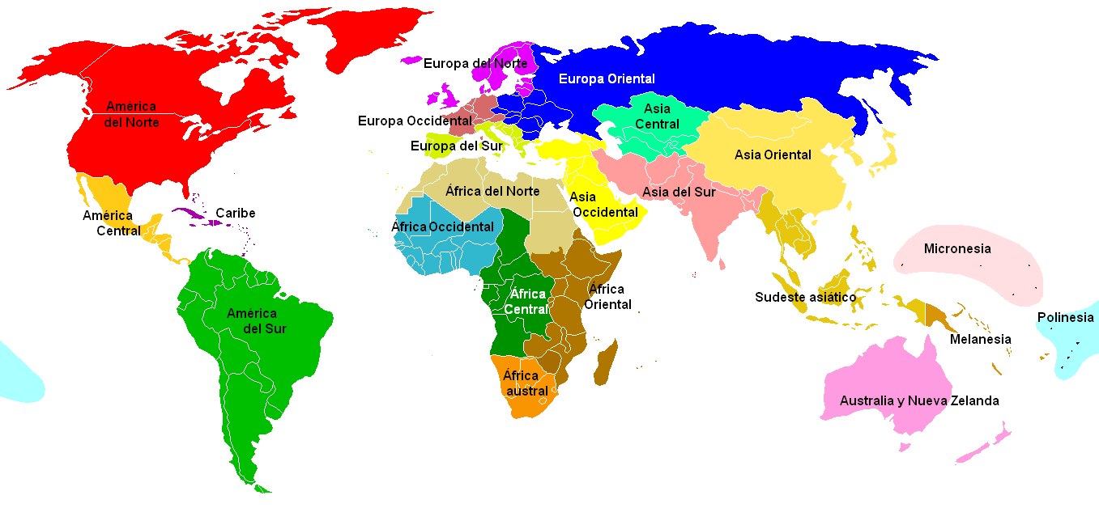
 | Region (según IPT) | Continent |  |  | http://es.wikipedia.org/wiki/Geoesquema_de_las_Naciones_Unidas
 | South Europe | Europe
 | North Europe
 | Central Europe
 | Eastern Europe
 | North Africa | Africa
 | Central Africa
 | Western Africa
 | Central Africa
 | Eastern Africa
 | South Africa
 | North America | America
 | Central Amercia
 | South America
 | Caribe
 | Middle East | Asia
 | Central & East Asia
 | South East Asia
 | South Asia
 | Australia & NZ | Oceania
 | Polinesia

Name | Region (según IPT) | Continent | ISO 3166-1 2 Letter Code | ISO 3166-1 3 Letter Code
Algeria |  | Africa | DZ | DZA
Angola |  | Africa | AO | AGO
Benin |  | Africa | BJ | BEN
Botswana |  | Africa | BW | BWA
Burkina Faso |  | Africa | BF | BFA
Burundi |  | Africa | BI | BDI
Cameroon |  | Africa | CM | CMR
Cape Verde |  | Africa | CV | CPV
Central African Republic |  | Africa | CF | CAF
Chad |  | Africa | TD | TCD
Comoros |  | Africa | KM | COM
Congo (Kinshasa) |  | Africa | CD | COD
Congo (Brazzaville) |  | Africa | CG | COG
Cote d'Ivoire (Ivory Coast) |  | Africa | CI | CIV
Djibouti |  | Africa | DJ | DJI
Equatorial Guinea |  | Africa | GQ | GNQ
Eritrea |  | Africa | ER | ERI
Ethiopia |  | Africa | ET | ETH
Gabon |  | Africa | GA | GAB
Gambia, The |  | Africa | GM | GMB
Ghana |  | Africa | GH | GHA
Guinea |  | Africa | GN | GIN
Guinea-Bissau |  | Africa | GW | GNB
Kenya |  | Africa | KE | KEN
Lesotho |  | Africa | LS | LSO
Liberia |  | Africa | LR | LBR
Libya |  | Africa | LY | LBY
Madagascar |  | Africa | MG | MDG
Malawi |  | Africa | MW | MWI
Mali |  | Africa | ML | MLI
Mauritania |  | Africa | MR | MRT
Mauritius |  | Africa | MU | MUS
Morocco |  | Africa | MA | MAR
Mozambique |  | Africa | MZ | MOZ
Namibia |  | Africa | NA | NAM
Niger |  | Africa | NE | NER
Nigeria |  | Africa | NG | NGA
Rwanda |  | Africa | RW | RWA
Sao Tome and Principe |  | Africa | ST | STP
Senegal |  | Africa | SN | SEN
Seychelles |  | Africa | SC | SYC
Sierra Leone |  | Africa | SL | SLE
Somalia |  | Africa | SO | SOM
South Africa |  | Africa | ZA | ZAF
Sudan |  | Africa | SD | SDN
Swaziland |  | Africa | SZ | SWZ
Tanzania |  | Africa | TZ | TZA
Togo |  | Africa | TG | TGO
Tunisia |  | Africa | TN | TUN
Uganda |  | Africa | UG | UGA
Zambia |  | Africa | ZM | ZMB
Zimbabwe |  | Africa | ZW | ZWE
Somaliland |  | Africa | SO | SOM
Mayotte |  | Africa | YT | MYT
Saint Helena |  | Africa | SH | SHN
Ascension |  | Africa | AC | ASC
Tristan da Cunha |  | Africa | TA | TAA
Heard Island and McDonald Islands | Antarctica | Antarctica | HM | HMD
French Southern and Antarctic Lands | Antarctica | Antarctica | TF | ATF
Bouvet Island | Antarctica | Antarctica | BV | BVT
Australian Antarctic Territory | Antarctica | Antarctica | AQ | ATA
British Antarctic Territory | Antarctica | Antarctica | AQ | ATA
Afghanistan |  | Asia | AF | AFG
Bangladesh |  | Asia | BD | BGD
Bhutan |  | Asia | BT | BTN
Brunei |  | Asia | BN | BRN
Cambodia |  | Asia | KH | KHM
China, People's Republic of | Central Asia | Asia | CN | CHN
India | Asia-Pacific | Asia | IN | IND
Japan |  | Asia | JP | JPN
Kazakhstan |  | Asia | KZ | KAZ
Korea, North |  | Asia | KP | PRK
Korea, South |  | Asia | KR | KOR
Kyrgyzstan |  | Asia | KG | KGZ
Malaysia |  | Asia | MY | MYS
Maldives |  | Asia | MV | MDV
Mongolia |  | Asia | MN | MNG
Myanmar (Burma) |  | Asia | MM | MMR
Nepal |  | Asia | NP | NPL
Pakistan |  | Asia | PK | PAK
Philippines |  | Asia | PH | PHL
Singapore |  | Asia | SG | SGP
Sri Lanka |  | Asia | LK | LKA
Tajikistan |  | Asia | TJ | TJK
Thailand |  | Asia | TH | THA
Turkmenistan |  | Asia | TM | TKM
Uzbekistan |  | Asia | UZ | UZB
Vietnam |  | Asia | VN | VNM
China, Republic of (Taiwan) |  | Asia | TW | TWN
Hong Kong |  | Asia | HK | HKG
Macau |  | Asia | MO | MAC
Indonesia |  | Asia/Oceania (Transcontinental) | ID | IDN
Timor-Leste (East Timor) |  | Asia/Oceania (Transcontinental) | TL | TLS
Cocos (Keeling) Islands |  | Asia/Oceania (Transcontinental) | CC | CCK
Georgia |  | Eurasia (Transcontinental) | GE | GEO
Russia |  | Eurasia (Transcontinental) | RU | RUS
Abkhazia |  | Eurasia (Transcontinental) | GE | GEO
Nagorno-Karabakh |  | Eurasia (Transcontinental) | AZ | AZE
South Ossetia |  | Eurasia (Transcontinental) | GE | GEO
Svalbard |  | Europe | SJ | SJM
Albania |  | Europe | AL | ALB
Andorra |  | Europe | AD | AND
Armenia |  | Europe | AM | ARM
Austria |  | Europe | AT | AUT
Azerbaijan |  | Europe | AZ | AZE
Belarus |  | Europe | BY | BLR
Belgium |  | Europe | BE | BEL
Bosnia and Herzegovina |  | Europe | BA | BIH
Bulgaria |  | Europe | BG | BGR
Croatia |  | Europe | HR | HRV
Czech Republic |  | Europe | CZ | CZE
Denmark |  | Europe | DK | DNK
Estonia |  | Europe | EE | EST
Finland |  | Europe | FI | FIN
France |  | Europe | FR | FRA
Germany |  | Europe | DE | DEU
Greece |  | Europe | GR | GRC
Hungary |  | Europe | HU | HUN
Iceland |  | Europe | IS | ISL
Ireland |  | Europe | IE | IRL
Italy |  | Europe | IT | ITA
Latvia |  | Europe | LV | LVA
Liechtenstein |  | Europe | LI | LIE
Lithuania |  | Europe | LT | LTU
Luxembourg |  | Europe | LU | LUX
Macedonia |  | Europe | MK | MKD
Malta |  | Europe | MT | MLT
Moldova |  | Europe | MD | MDA
Monaco |  | Europe | MC | MCO
Montenegro |  | Europe | ME | MNE
Netherlands |  | Europe | NL | NLD
Norway |  | Europe | NO | NOR
Poland |  | Europe | PL | POL
Portugal |  | Europe | PT | PRT
Romania |  | Europe | RO | ROU
San Marino |  | Europe | SM | SMR
Serbia |  | Europe | RS | SRB
Slovakia |  | Europe | SK | SVK
Slovenia |  | Europe | SI | SVN
Spain |  | Europe | ES | ESP
Sweden |  | Europe | SE | SWE
Switzerland |  | Europe | CH | CHE
Ukraine |  | Europe | UA | UKR
United Kingdom |  | Europe | GB | GBR
Vatican City |  | Europe | VA | VAT
Northern Cyprus |  | Europe | CY | CYP
Pridnestrovie (Transnistria) |  | Europe | MD | MDA
Isle of Man |  | Europe | IM | IMN
Jersey |  | Europe | JE | JEY
Gibraltar |  | Europe | GI | GIB
Faroe Islands |  | Europe | FO | FRO
Aland |  | Europe | AX | ALA
Laos |  | Asia | LA | LAO
Bahrain | Middle East | Asia | BH | BHR
Cyprus |  | Europe | CY | CYP
Egypt |  | Africa | EG | EGY
Iran | Middle East | Asia | IR | IRN
Iraq | Middle East | Asia | IQ | IRQ
Israel | Middle East | Asia | IL | ISR
Jordan | Middle East | Asia | JO | JOR
Kuwait | Middle East | Asia | KW | KWT
Lebanon | Middle East | Asia | LB | LBN
Oman | Middle East | Asia | OM | OMN
Qatar | Middle East | Asia | QA | QAT
Saudi Arabia | Middle East | Asia | SA | SAU
Syria | Middle East | Asia | SY | SYR
Turkey | Middle East | Asia | TR | TUR
United Arab Emirates | Middle East | Asia | AE | ARE
Yemen | Middle East | Asia | YE | YEM
Antigua and Barbuda |  | America | AG | ATG
Bahamas, The |  | America | BS | BHS
Barbados |  | America | BB | BRB
Belize |  | America | BZ | BLZ
Canada | North America | America | CA | CAN
Cuba |  | America | CU | CUB
Dominica |  | America | DM | DMA
Dominican Republic |  | America | DO | DOM
El Salvador |  | America | SV | SLV
Grenada |  | America | GD | GRD
Guatemala |  | America | GT | GTM
Haiti |  | America | HT | HTI
Honduras |  | America | HN | HND
Jamaica |  | America | JM | JAM
Mexico | Central America | America | MX | MEX
Nicaragua |  | America | NI | NIC
Panama |  | America | PA | PAN
Saint Kitts and Nevis |  | America | KN | KNA
Saint Lucia |  | America | LC | LCA
Saint Vincent and the Grenadines |  | America | VC | VCT
Trinidad and Tobago |  | America | TT | TTO
United States | North America | America | US | USA
Saint Martin |  | America | GP | GLP
Saint Pierre and Miquelon |  | America | PM | SPM
Anguilla |  | America | AI | AIA
Bermuda |  | America | BM | BMU
Cayman Islands |  | America | KY | CYM
Montserrat |  | America | MS | MSR
Turks and Caicos Islands |  | America | TC | TCA
Puerto Rico |  | America | PR | PRI
U.S. Virgin Islands |  | America | VI | VIR
Greenland |  | America | GL | GRL
Guadeloupe |  | America | GP | GLP
Martinique |  | America | MQ | MTQ
Aruba |  | America | AW | ABW
Netherlands Antilles |  | America | AN | ANT
Australia |  | Oceania | AU | AUS
Fiji |  | Oceania | FJ | FJI
Kiribati |  | Oceania | KI | KIR
Marshall Islands |  | Oceania | MH | MHL
Micronesia |  | Oceania | FM | FSM
Nauru |  | Oceania | NR | NRU
New Zealand |  | Oceania | NZ | NZL
Palau |  | Oceania | PW | PLW
Papua New Guinea |  | Oceania | PG | PNG
Samoa |  | Oceania | WS | WSM
Solomon Islands |  | Oceania | SB | SLB
Tonga |  | Oceania | TO | TON
Tuvalu |  | Oceania | TV | TUV
Vanuatu |  | Oceania | VU | VUT
Ashmore and Cartier Islands |  | Oceania | AU | AUS
Christmas Island |  | Oceania | CX | CXR
Coral Sea Islands |  | Oceania | AU | AUS
Norfolk Island |  | Oceania | NF | NFK
New Caledonia |  | Oceania | NC | NCL
French Polynesia |  | Oceania | PF | PYF
Saint Barthelemy |  | Oceania | GP | GLP
Wallis and Futuna |  | Oceania | WF | WLF
Clipperton Island |  | Oceania | PF | PYF
Cook Islands |  | Oceania | CK | COK
Niue |  | Oceania | NU | NIU
Tokelau |  | Oceania | TK | TKL
Guernsey |  | Oceania | GG | GGY
British Indian Ocean Territory |  | Oceania | IO | IOT
Pitcairn Islands |  | Oceania | PN | PCN
Northern Mariana Islands |  | Oceania | MP | MNP
American Samoa |  | Oceania | AS | ASM
Argentina | South America | America | AR | ARG
Bolivia | South America | America | BO | BOL
Brazil | South America | America | BR | BRA
Chile | South America | America | CL | CHL
Colombia | South America | America | CO | COL
Costa Rica | Central America | America | CR | CRI
Ecuador | South America | America | EC | ECU
Guyana | South America | America | GY | GUY
Paraguay | South America | America | PY | PRY
Peru | South America | America | PE | PER
Suriname | South America | America | SR | SUR
Uruguay | South America | America | UY | URY
Venezuela | South America | America | VE | VEN
Falkland Islands (Islas Malvinas) | South America | America | FK | FLK
South Georgia & South Sandwich Islands | South America | America | GS | SGS
French Guiana | South America | America | GF | GUF

